Sheet1
Operating Costs of Sterilizing Foggers

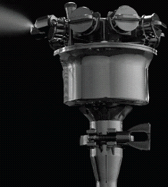
DF2S Using Minncare Sterilant | 22000 | 1.00% | 2.00% | 3.50% | 5.00% | 6.00% | 7.00% | 8.00% | 9.00% | 10.00% | Uses 75PSI, 15 SCFM Dry Air Compressor
 | ↑ Total mili-Liters to Fill ↑ | Minncare mL | Minncare mL | Minncare mL | Minncare mL | Minncare mL | Minncare mL | Minncare mL | Minncare mL | Minncare mL | DF2S+Fog Accessories+Air Quality Test Instruments
 | mL of Minn | 220 | 440 | 770 | 1100 | 1320 | 1540 | 1760 | 1980 | 2200 | Remote Control
 | mL of water | 21780 | 21560 | 21230 | 20900 | 20680 | 20460 | 20240 | 20020 | 19800
 | Total Liquid Volume in mL | 22000 | 22000 | 22000 | 22000 | 22000 | 22000 | 22000 | 22000 | 22000 | 7.5 µm DryFog, driven by compressed air
Minncare cost/40 gal.+S/H: about $1800 | $1,800.00 |  |  |  |  |  |  |  |  |  | Concentrated (Mixing Reqd.) Minncare
Gallons per order | 40 | $2.62 | $5.24 | $9.17 | $13.10 | $15.71 | $18.33 | $20.95 | $23.57 | $26.19 | $ Minncare Cost per 90 minute cycle
DF2S provides 35,000 CF / cycle | 35000 | $0.0001 | $0.0001 | $0.0003 | $0.0004 | $0.0004 | $0.0005 | $0.0006 | $0.0007 | $0.0007 | Minncare Operate cost/cubic foot/cycle

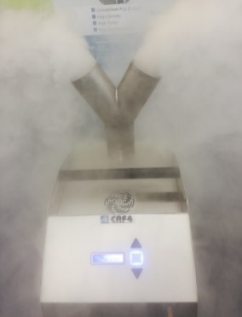
CRF4-S Using Minncare Sterilant | 9500 | 1.00% | 2.00% | 3.50% | 5.00% | 6.00% | 7.00% | 8.00% | 9.00% | 10.00% | Uses 100VAC/50Hz, 110VAC or 220VAC Power
 | ↑ Total mili-Liters to Fill ↑ | Minncare mL | Minncare mL | Minncare mL | Minncare mL | Minncare mL | Minncare mL | Minncare mL | Minncare mL | Minncare mL | CRF4S+Fog Accessories+Air Quality Test Instruments
 | mL of Minn | 95 | 190 | 333 | 475 | 570 | 665 | 760 | 855 | 950 | Wireless Remote Control
 | mL of water | 9405 | 9310 | 9168 | 9025 | 8930 | 8835 | 8740 | 8645 | 8550
 | Total Liquid Volume in mL | 9500 | 9500 | 9500 | 9500 | 9500 | 9500 | 9500 | 9500 | 9500 | 8 µm DryFog, driven by ultrasonic
Minncare cost/4 Gal.+S/H: about $600 | $600.00 |  |  |  |  |  |  |  |  |  | Concentrated (Mixing Reqd.) Minncare
Gallons per order | 4 | $3.77 | $7.54 | $13.19 | $18.85 | $22.62 | $26.39 | $30.16 | $33.93 | $37.70 | $ Minncare Cost per 45 minute cycle
CRF4-S provides 10,000 CF / cycle | 10000 | $0.0004 | $0.0008 | $0.0013 | $0.0019 | $0.0023 | $0.0026 | $0.0030 | $0.0034 | $0.0038 | Minncare Operate cost/cubic foot/cycle

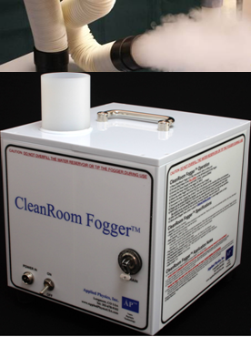
CRF2-S Using Minncare Sterilant | 3750 | 1.00% | 2.00% | 3.50% | 5.00% | 6.00% | 7.00% | 8.00% | 9.00% | 10.00% | Uses 110 or 220VAC Power
 | ↑ Total mili-Liters to Fill ↑ | Minncare mL | Minncare mL | Minncare mL | Minncare mL | Minncare mL | Minncare mL | Minncare mL | Minncare mL | Minncare mL | CRF2S+Fog Accessories+Air Quality Test Instruments
 | mL of Minn | 38 | 75 | 131 | 188 | 225 | 263 | 300 | 338 | 375 | Cable Remote Control
 | mL of water | 3713 | 3675 | 3619 | 3563 | 3525 | 3488 | 3450 | 3413 | 3375
 | Total Liquid Volume in mL | 3750 | 3750 | 3750 | 3750 | 3750 | 3750 | 3750 | 3750 | 3750 | 10 µm DryFog, driven by ultrasonic
Minncare cost/1 Gal.+S/H: about $200 | $200.00 |  |  |  |  |  |  |  |  |  | Concentrated (Mixing Reqd.) Minncare
Gallons per order | 1 | $1.98 | $3.97 | $6.94 | $9.92 | $11.90 | $13.89 | $15.87 | $17.86 | $19.84 | $ Minncare Cost per 50 minute cycle
CRF2-S provides 3,000 CF / cycle | 3000 | $0.0007 | $0.0013 | $0.0023 | $0.0033 | $0.0040 | $0.0046 | $0.0053 | $0.0060 | $0.0066 | Minncare Operate cost/cubic foot/cycle

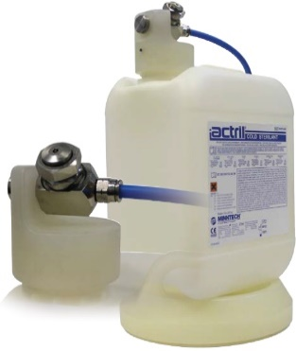
AFS Using Actril Sterilant | 3780 | 1.00% |  |  |  |  |  |  |  |  | Uses 45PSI, 2.5 SCFM Dry Air Compressor
 | ↑ Total mili-Liters to Fill ↑ | Actril |  |  |  |  |  |  |  |  | AFS + Air Quality Test Strips
 | mL of Actril | 3780 |  |  |  |  |  |  |  |  | Run 10 in Parallel
 | None |  |  |  |  |  |  |  |  |  | Uses 45PSI, 25 SCFM Dry Air Compressor
 | Total Liquid Volume in mL | 3780 |  |  |  |  |  |  |  |  | 7.5 µm DryFog, driven by compressed air
Actril cost/4 Gal.+S/H: about $350 | $350.00 |  |  |  |  |  |  |  |  |  | Pre-Diluted (No Mixing Reqd.) Actril
Gallons per order | 4 | $87.50 |  |  |  |  |  |  |  |  | $ Actril Cost per 60 minute cycle
AFS provides 3,531 CF / cycle | 3531 | $0.0248 |  |  |  |  |  |  |  |  | Actril Operate cost/cubic foot/cycle


AFS Using Minncare Sterilant | 3780 | 1.00% | 2.00% | 3.50% | 5.00% | 6.00% | 7.00% | 8.00% | 9.00% | 10.00% | Uses 45PSI, 2.5 SCFM Dry Air Compressor
 | ↑ Total mili-Liters to Fill ↑ | Minncare mL | Minncare mL | Minncare mL | Minncare mL | Minncare mL | Minncare mL | Minncare mL | Minncare mL | Minncare mL | AFS+Air Quality Test Strips
 | mL of Minn | 38 | 76 | 132 | 189 | 227 | 265 | 302 | 340 | 378 | Run 10 in Parallel
 | mL of water | 3742 | 3704 | 3648 | 3591 | 3553 | 3515 | 3478 | 3440 | 3402 | Uses 45PSI, 25 SCFM Dry Air Compressor
 | Total Liquid Volume in mL | 3780 | 3780 | 3780 | 3780 | 3780 | 3780 | 3780 | 3780 | 3780 | 7.5 µm DryFog, driven by compressed air
Minncare cost/4 Gal.+S/H: about $600 | $600.00 |  |  |  |  |  |  |  |  |  | Concentrated (Mixing Reqd.) Minncare
Gallons per order | 4 | $1.50 | $3.00 | $5.25 | $7.50 | $9.00 | $10.50 | $12.00 | $13.50 | $15.00 | $ Minncare Cost per 60 minute cycle
AFS provides 3531 CF / cycle | 3531 | $0.0004 | $0.0008 | $0.0015 | $0.0021 | $0.0025 | $0.0030 | $0.0034 | $0.0038 | $0.0042 | Minncare Operate cost/cubic foot/cycle

